Sheet1
 |  | Document No. |  | Issue No. |  | Issue Date |  | Review and Replace Date |  |  | Authorised By
 |  | GFF182MC |  | 1 |  | 11.06.2020 |  | New Issue |  |  | Magda Shah
 |  | Document Title | DAHL WITH SPINACH, BUTTERNUT SQUASH & BROWN RICE 750g - 2 PERSONS
Document amendments reason for change |  | New product launch |  |  | Page 1 of 1 |  | Previous Issue Date |  | New Issue |  | Uncontrolled copy unless signed original

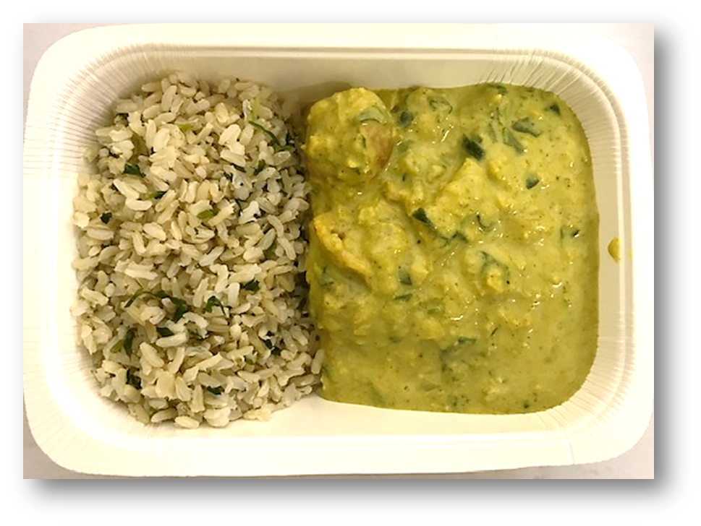
FVDBSR-1R8TMC | MINDFUL CHEF |  |  | DAHL WITH SPINACH, BUTTERNUT SQUASH & BROWN RICE 750g | FROZEN
STEP 1 |  |  |  | STEP 3 |  |  |  |  |  | STEP 4
 |  |  |  | 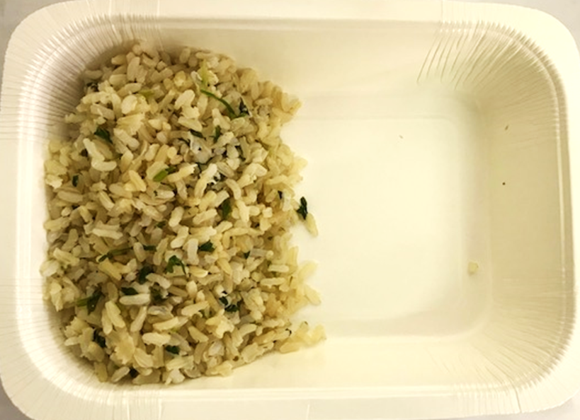

Tray: 2 PORTION TRAY (PKSOU002-02) |  |  |  | BROWN RICE (MC) (GFF255R): 180g |  |  |  |  |  | SPINACH DAHL (MC) (GFF290R) 419g
Film: K-Peel 75G + AF 25 300mm (PKKMP001-02)
STEP 5 |  |  |  | STEP 6 |  |  |  |  |  | STEP 7
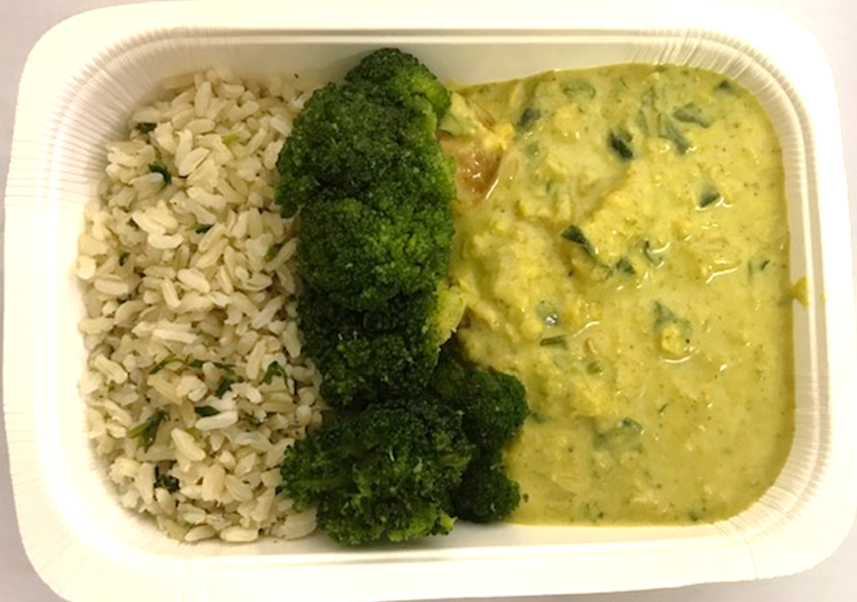 |  |  |  | 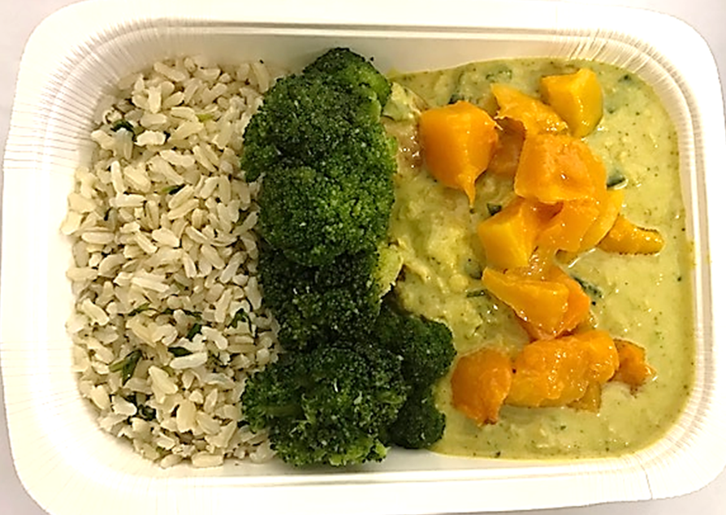 |  |  |  |  |  | 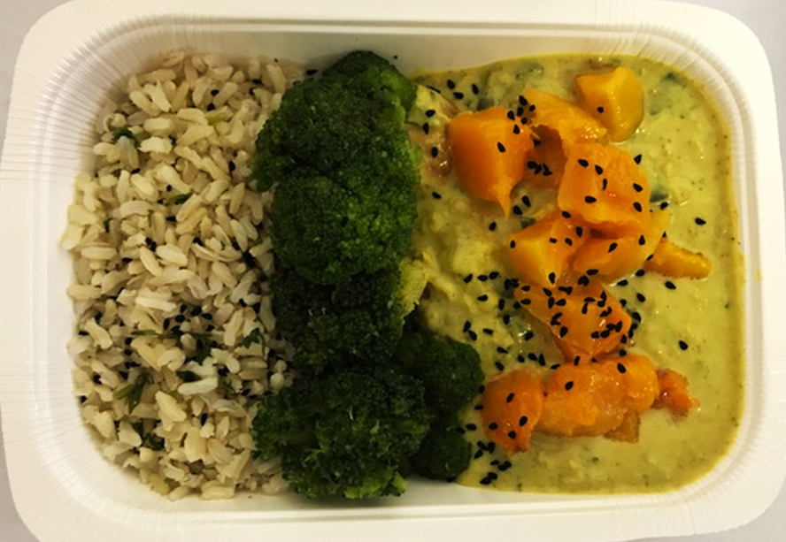

PACK DATE + 1 YEAR

STEAMED BROCCOLI (MC) (GFF291R) 90g |  |  |  | BUTTERNUT SQUASH 20MM DICED (RMBEA001-02) 60g |  |  |  |  |  | ROASTED KALONJI SEEDS (GFF295R) 1g |  | TOTAL WEIGHT: 750g

ALLERGY ALERT: NONE

